Hoja1
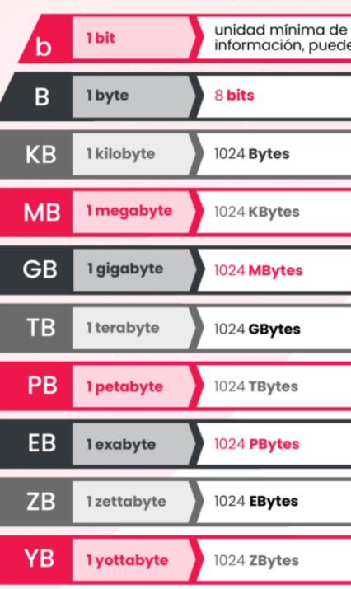
Juego | Peso
Resogun | 460.800 KB | 0.439453125 | 0.439453125 | 256 GB
Don't Starve | 609 MB | 0.5947265625 | 0.5947265625 | 15 juegos
Trine 2: Complete Story | 2.760 MB | 2.6953125 | 2.6953125
Bound By Flame | 5.200 MB | 5.078125 | 5.078125
Flower | 18.000 MB | 17.578125 | 17.578125
Assassin's Creed IV: Black Flag | 21,2 GB | 21.2 | 21.2
Infamous: Second Son | 0.023438 Terabytes | 24.000512 | 24.000512
DriveClub | 28,86 GB | 28.86 | 28.86
Knack | 35,6 GB | 35.6 | 35.6
MLB 14 The Show | 37,5 GB | 37.5 | 37.5
Killzone: Shadow Fall SP | 38,5 GB | 38.5 | 38.5
Battlefield 4 | 41,85 GB | 41.85 | 41.85
 |  |  | 253.89625419
 |  |  | 12

Juego | Peso | peso | Un. Medida
Resogun | 460.800 KB | 0.439453125 | GB
Don't Starve | 609 MB | 0.5947265625 | GB
Trine 2: Complete Story | 2.760 MB | 2.6953125 | GB
Bound By Flame | 5.200 MB | 5.078125 | GB
Flower | 18.000 MB | 17.578125 | GB
Assassin's Creed IV: Black Flag | 21,2 GB | 21.2 | GB
Infamous: Second Son | 0.023438 Terabytes | 24.000512 | GB
DriveClub | 28,86 GB | 28.86 | GB
Knack | 35,6 GB | 35.6 | GB
MLB 14 The Show | 37,5 GB | 37.5 | GB
Killzone: Shadow Fall SP | 38,5 GB | 38.5 | GB
Battlefield 4 | 41,85 GB | 41.85 | GB
 |  | 253.89625419 | GB

